★NZMi0023-26
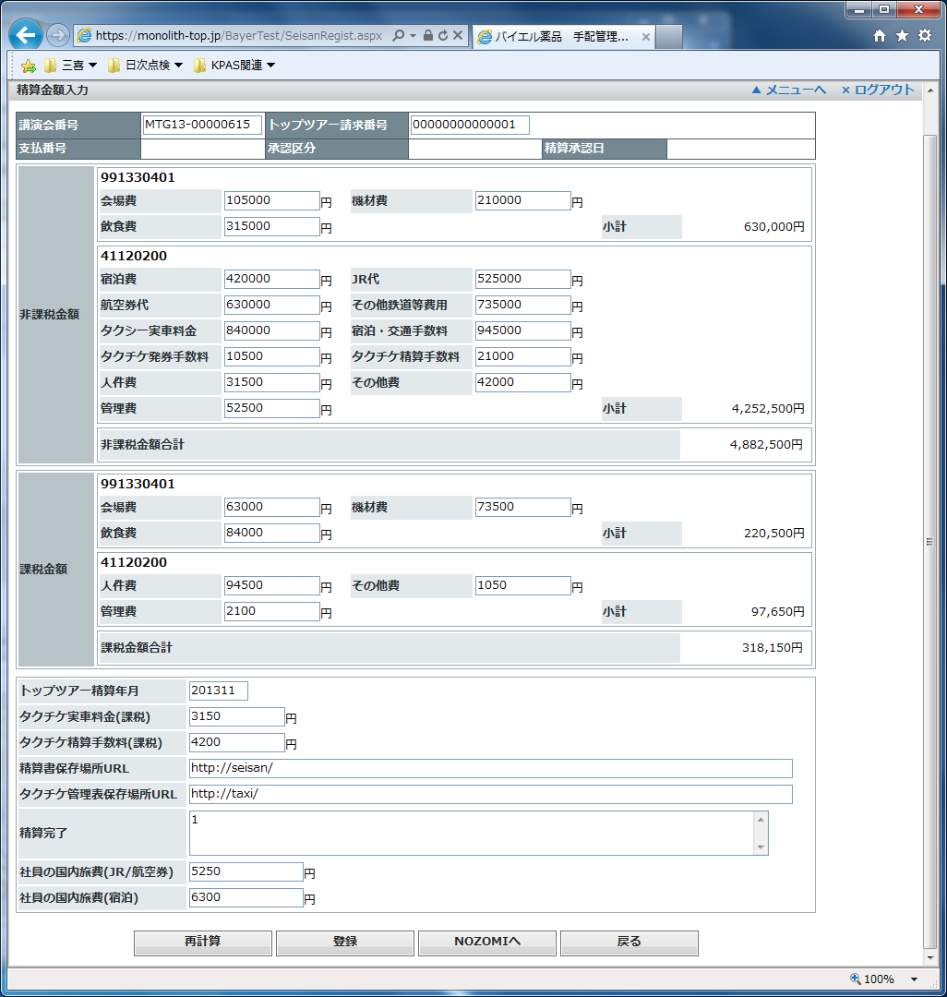
Test Case | NZMi0023 | Meeting - Attendee (Traffic, T2N)
 | NZMi0024 | Meeting-Arrange (T2N)
 | NZMi0026 | Meeting - Payment (T2N)

Tester | see assign list in sheet 'General'
Test date
# of Cycle | 1

Test Result | (PASS / FAIL)

Testing steps
System | # | Precondition(s) | Instruction(s) | Expected Result(s) | Actual Result (s) | Status (ok/fail) | Remarks
TopTour | 1 | (preparation) | Create and store test data in TopTour System | Several test data exist in TopTour System. Record expected data contents. | NZMi0023 1 record NZMi0024 1 record NZMi0026 1 record | OK
TopTour | 1.1 |  | Inform to next step caretaker | Inform to Andre Domaschke, Dieter Schoeddert, Uwe Reinschmidt |  | OK
Medius | 2 | Complete prep - #1 | Execute interface job to get a data file from TopTour sftp server. Then create and transfer them to Nozomi. Then, check the job log(s). | Confimed several test data file from sftp server. Then they are uploaded to Nozomi. Record number of records.
Medius | 2.1 |  | Inform to next step caretaker | Inform to Takeshi Yorozu, Sachiko Ozaki, Yoshihide Sakagami
Nozomi | 3 | Success of #2 | Check system log. | There's no error on data transfer.
Nozomi | 3.1 |  | Compare content data which has been updated. | All (or sampled) data have match with changes in source data.
Nozomi | 3.2 |  | Inform to next step caretaker | Inform to Uwe Reinschmidt, Yoshihide Sakagami

Attachemnts / Evidences

[NZMi0023]
"a0HN0000002TkZjMAK","第20回循環器病談話会","MTG13-00000056","1","2","20131122115040","20131122115040","バイエル 三郎","20130810","1","東京ステーションコンファレンス","千代田区丸の内1-7-12","03-6888-8080","20130811","1","14:00","11:00","シングル,"1","宿泊備考回答","17142","2857","2","1","20130810","東京","大阪","10:01","13:01","のぞみ１","1","1","1","1","20130810","東京","大阪","10:02","13:02","のぞみ２","1","1","2","1","20130810","東京","大阪","10:03","13:03","のぞみ３","2","1","1","1","20130810","東京","大阪","10:04","13:04","のぞみ４","2","2","1","1","20130810","東京","大阪","10:05","13:05","のぞみ５","1","2","3","1","20130810","大阪","東京","20:01","23:01","のぞみ６","1","1","1","1","20130810","大阪","東京","20:02","23:02","のぞみ７","1","2","2","1","20130810","大阪","東京","20:03","23:03","のぞみ８","2","1","1","1","20130810","大阪","東京","20:04","23:04","のぞみ９","2","2","2","1","20130810","大阪","東京","20:05","23:05","のぞみ１０","1","1","交通備考回答","15238","2857","21904","952","29714","4761","4761","57142","20131201","20130810","5000","1234567","20130810","5000","2345678","20130810","3000","3456789","20130810","10000","4567890","20130810","20000","5678901","20130810","3000","6789012","20130810","5000","7890123","20130810","10000","8901234","20130810","20000","9012345","20130810","3000","0123456","20130810","5000","1234567","20130810","10000","2345678","20130810","20000","3456789","20130810","3000","4567890","20130810","5000","5678901","20130810","10000","6789012","20130810","20000","7890123","20130810","3000","8901234","20130810","5000","9012345","20130810","10000","0123456","タクチケ備考回答","1","1","MR宿泊備考回答","48571","11428"

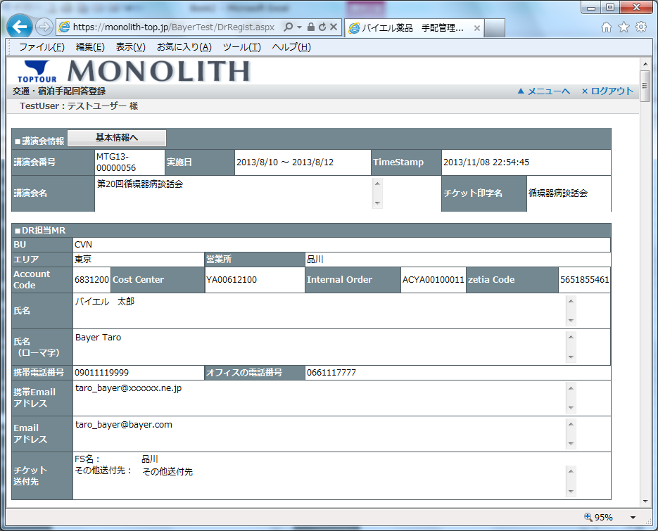

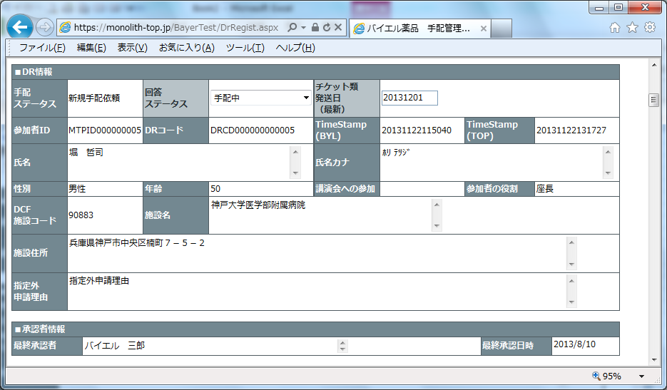

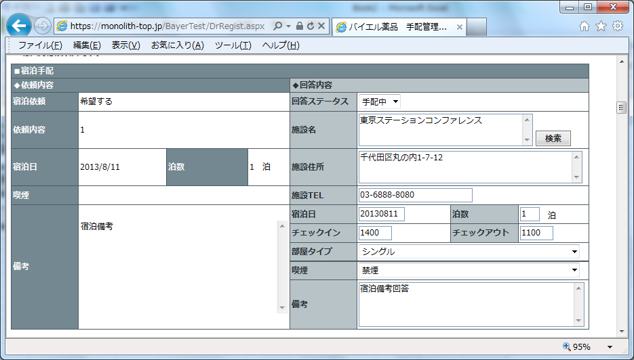

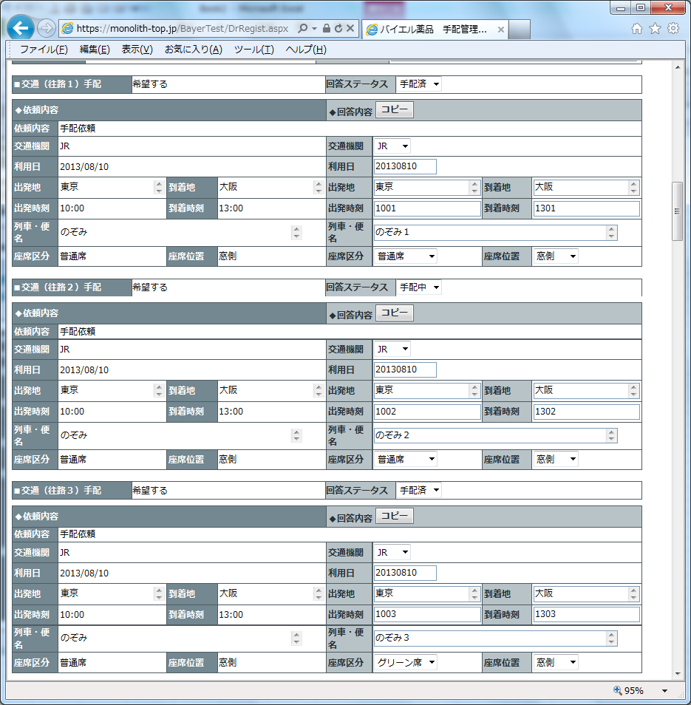

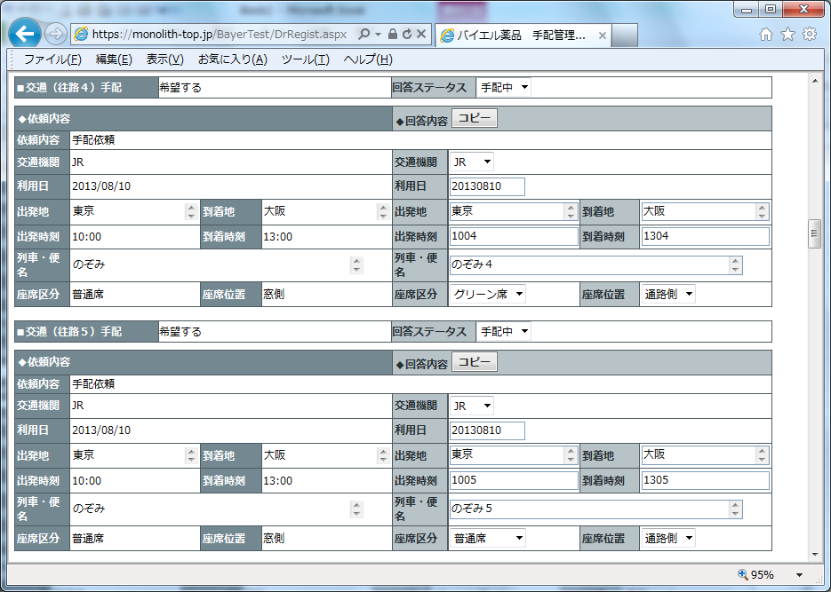

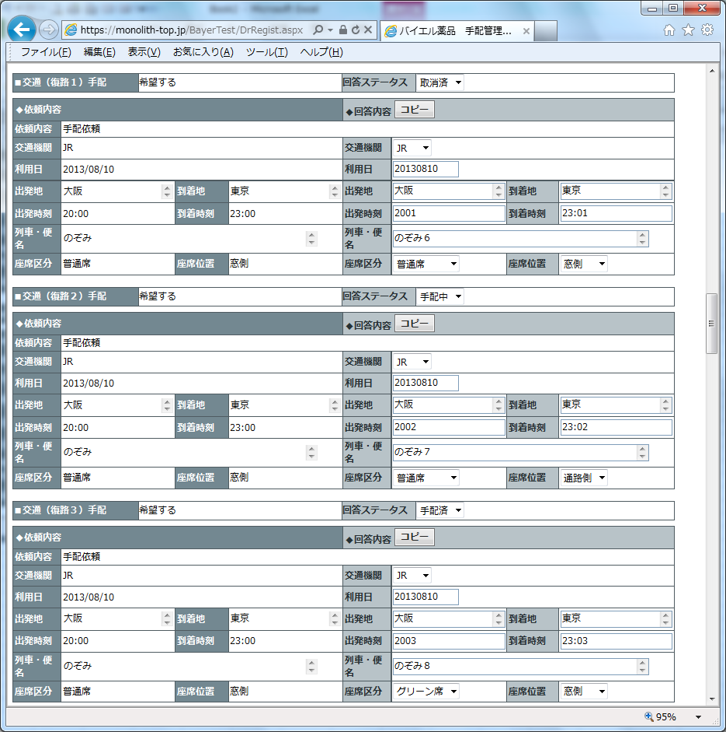

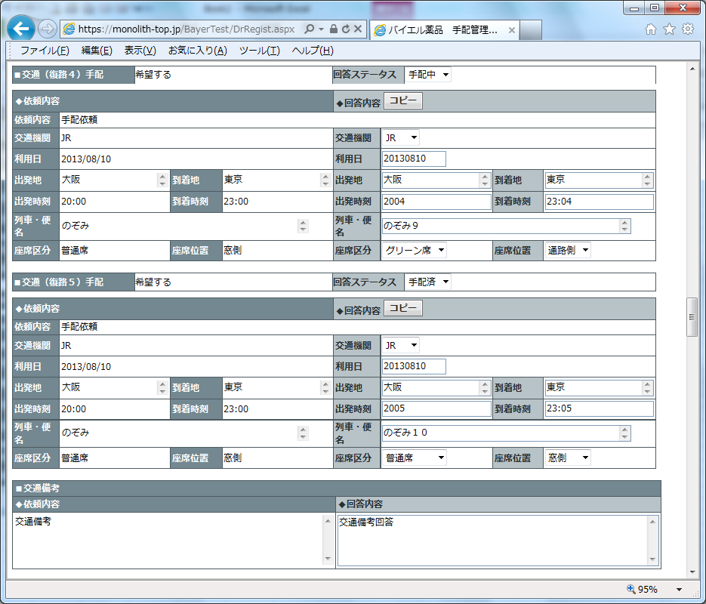

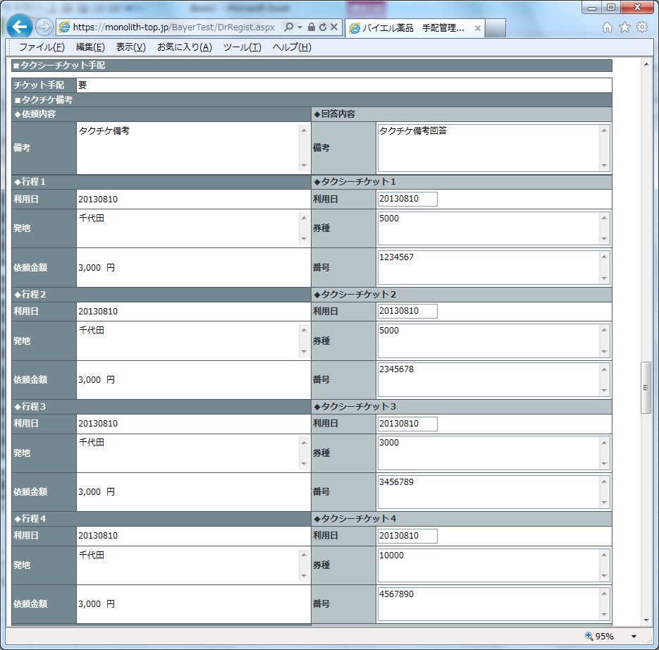

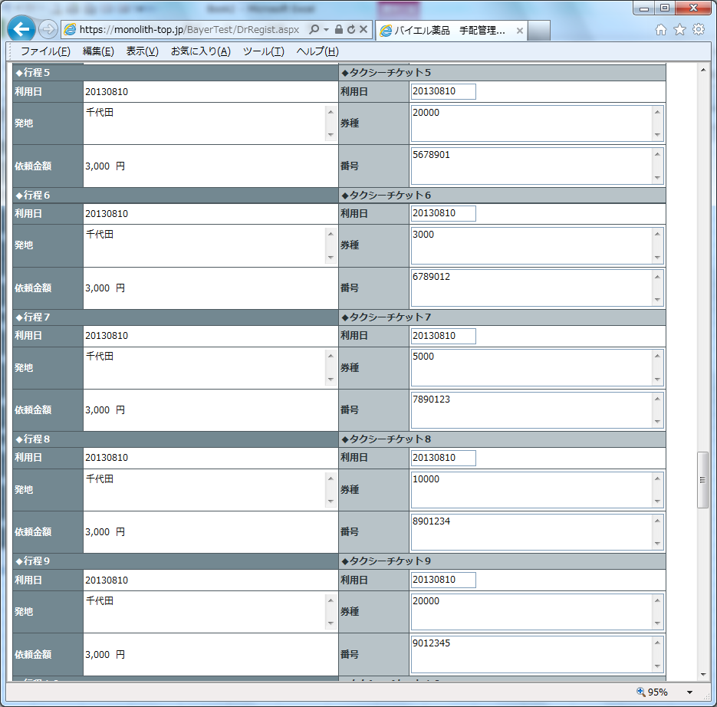

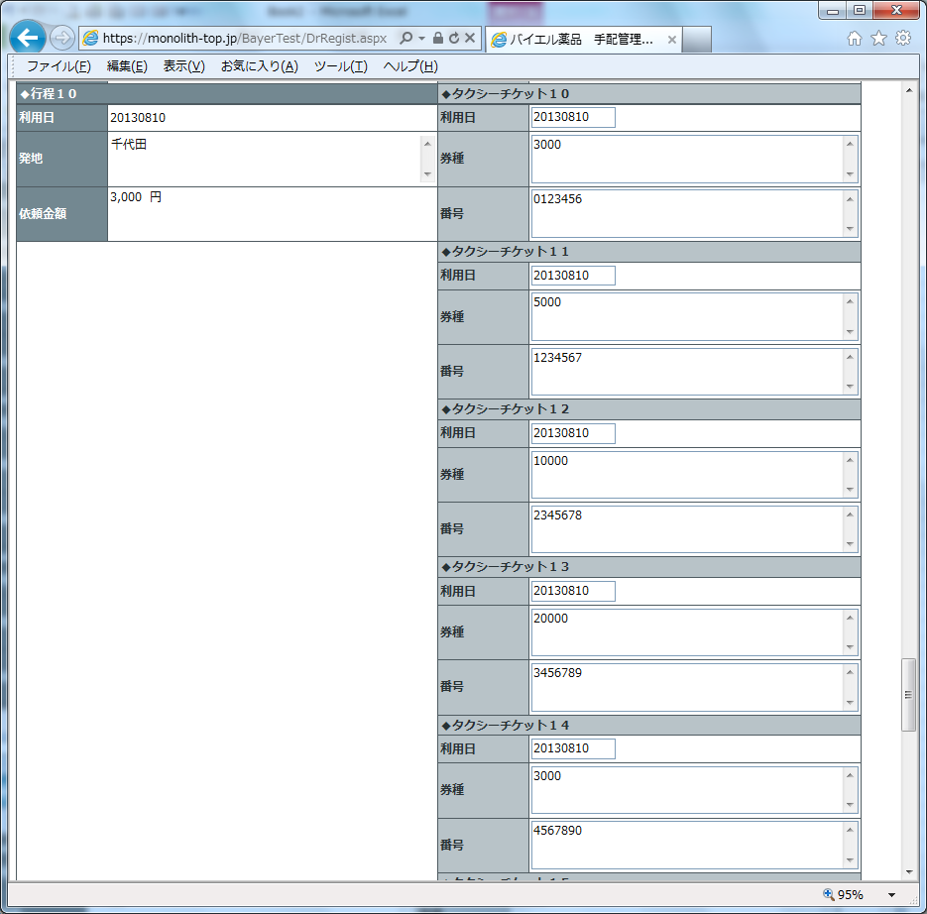

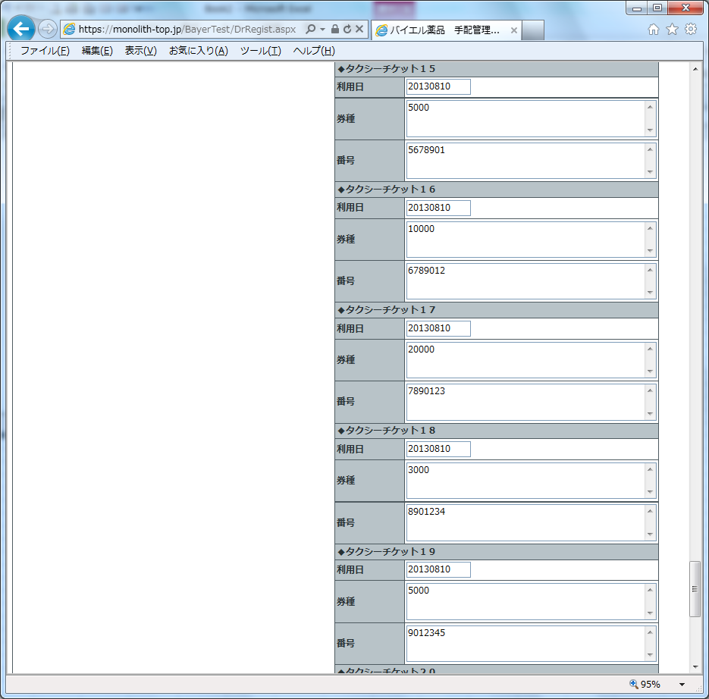

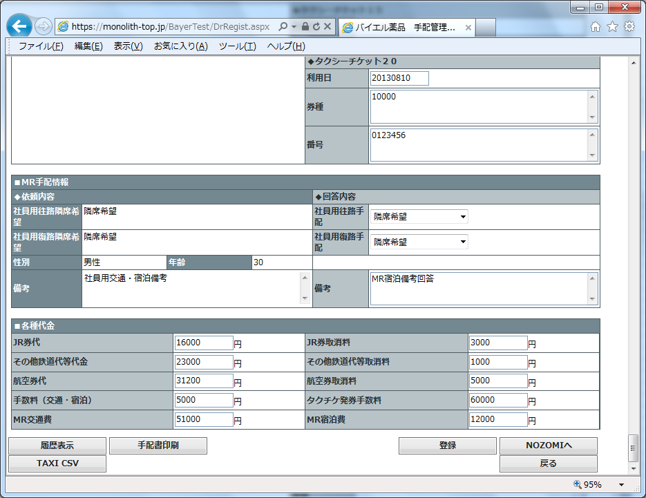

[NZMi0024]

"a0GN0000000OpBBMA0","MTA13-00000026","MTG13-00000056","1","1","20131108225445","20131108225445","富永 明","20131101","開催日備考(MTA13-00000026)","大阪府","大阪市","","13:30","17:30","2","1","1","55","1","1","1","その他備考(MTG13-00000056)","交通の便が良いため","93000","78000","171000","http://aaaaaaaaaaa.co.jp/bbbbbbbb/ccccc","東京ステーションコンファレンス","100-0005","千代田区丸の内1-7-12","03-6888-8080","http://www.tstc.jp/","大ホールA-1","13F","菊の間","鶴の間","牡丹の間","亀の間","薔薇の間","近隣にホテルやスーパーなどがあり、とても便利です","1000","2000","3000","6000","4000","5000","6000","7000","8000","9000","10000","11000","12000","72000","7200","13000","14000","15000","42000","16000","17000","18000","51000","93000"

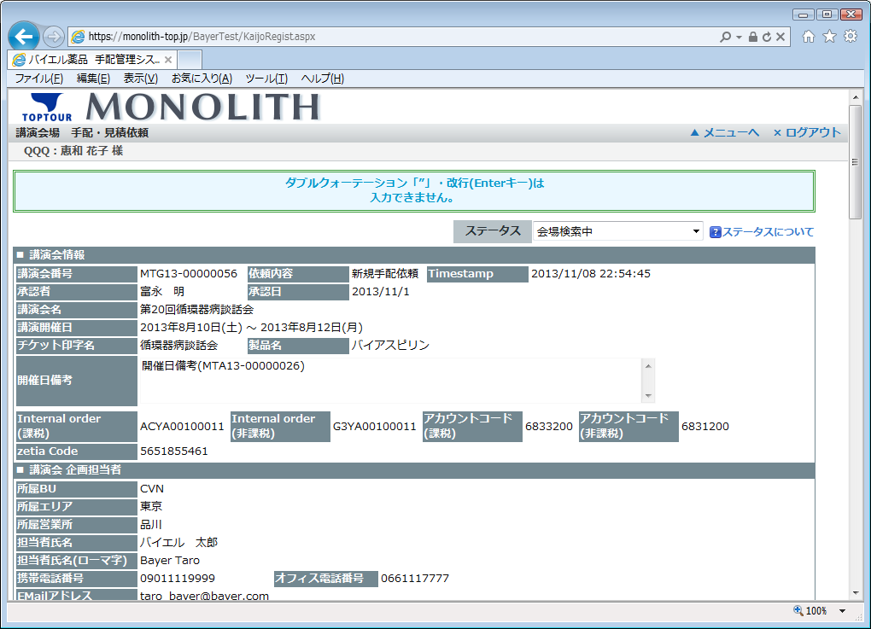

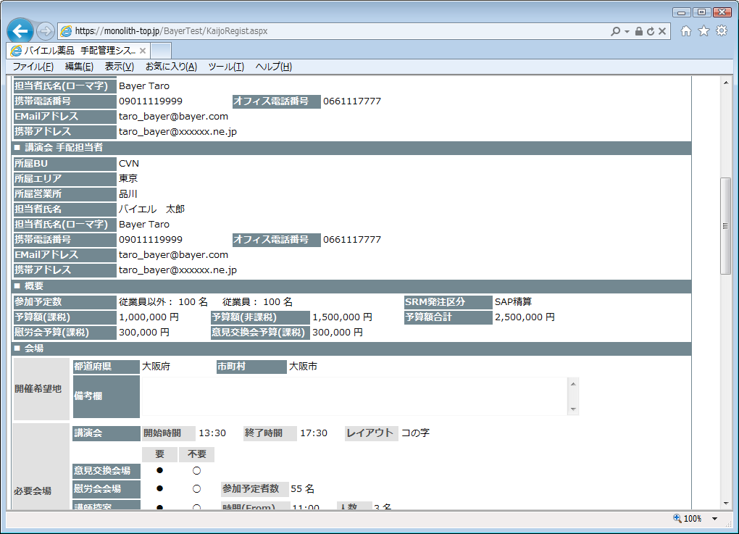

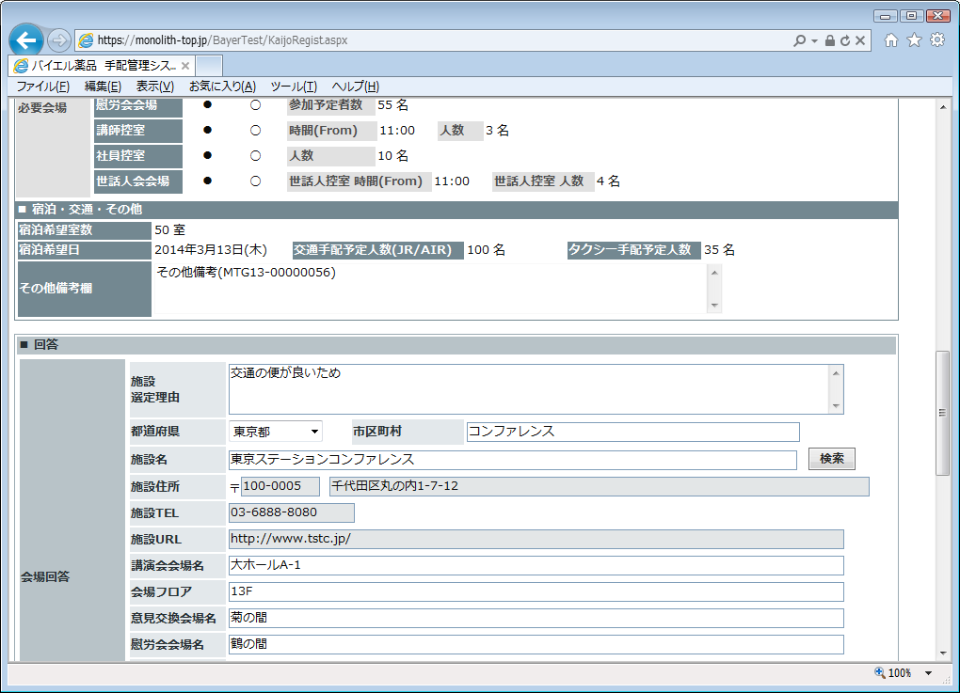

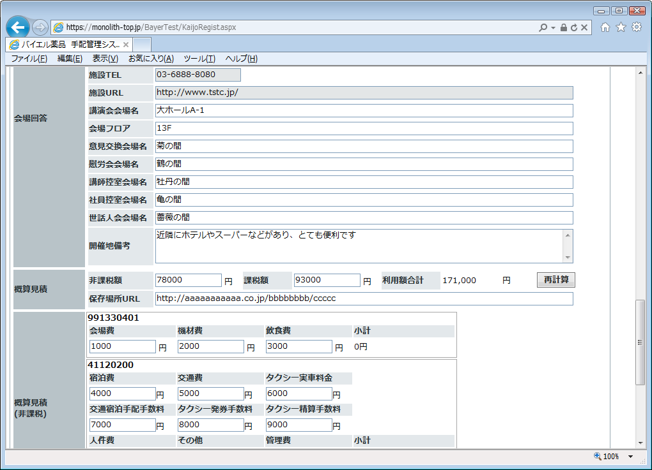

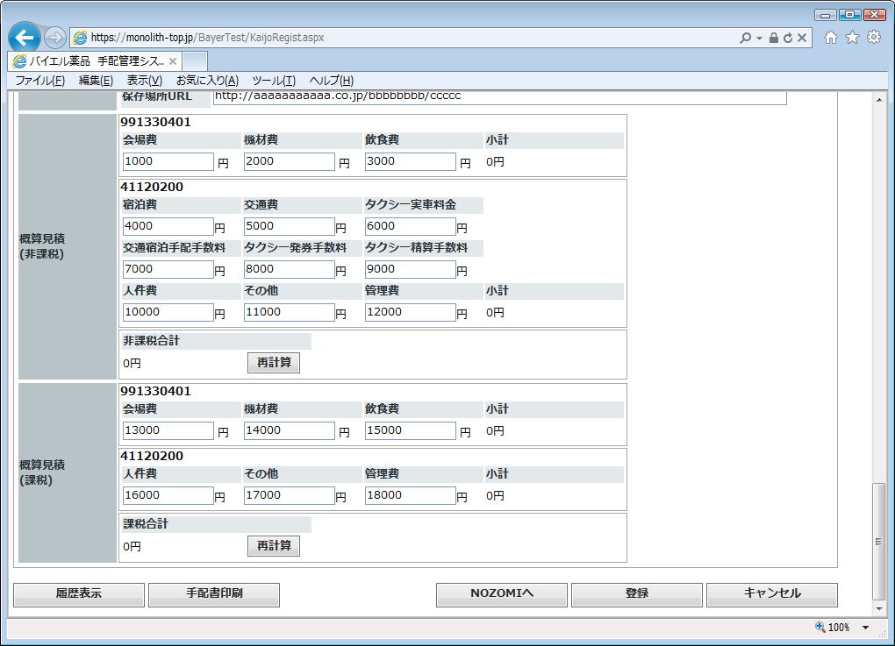

[NZMi0026]
"MTG13-00000615","201311","","","100000","200000","300000","600000","400000","500000","600000","700000","800000","900000","10000","20000","30000","40000","50000","4050000","4650000","60000","70000","80000","210000","90000","1000","2000","93000","303000","00000000000001","3000","4000","http://seisan/","http://taxi/","1","5000","6000"

